Bug Report
ID | B_001 | ID | B_002 | ID | B_003
Test Case ID | TC_002 | Test Case ID | TC_006 | Test Case ID | TC_021
Title | Trainee should navigate to Sign in option | Title | Trainee should navigate to Sign up option | Title | Trainee should review Billing Address And edit it
Description | A bold black title' Returning Customer ' was visibled with the ' Sign in below to access your existing account ' message And email and password text boxes and linked 'Forgot Your Password? ' also sign in button under it But sign in Text in the button is not centerd | Description | A bold black title' New User ' Will be visible with the ' No account? Create an account to take full advantage of this website. ' message And Create Account button under it But a blue underlined non-english message was visible | Description | Trainee Billing Address is not shown, and a loading icon shows without show Billing Address
Steps | 1- Go To https://academybugs.com/account/?ec_page=login 2- Navigate To Returning Customer | Steps | 1- Go To https://academybugs.com/account/?ec_page=login 2- Navigate To New User | Steps | 1- Go To https://academybugs.com/account/?ec_page=login 2- Navigate To Returning Customer And Sign in with registerd account 3 - Go To Billing Address
Expected Results | A bold black title' Returning Customer ' Will be visible with the ' Sign in below to access your existing account ' message And email and password text boxes and linked 'Forgot Your Password? ' also sign in button under it | Expected Results | A bold black title' New User ' Will be visible with the ' No account? Create an account to take full advantage of this website. ' message And Create Account button under it | Expected Results | Trainee Billing Address Will be shown, and the trainee can edit it with the ' edit Billing Address ' link under the viewed Billing Address
Actual Result | A bold black title' Returning Customer ' was visibled with the ' Sign in below to access your existing account ' message And email and password text boxes and linked 'Forgot Your Password? ' also sign in button under it But sign in Text in the button is not centerd | Actual Result | A bold black title' New User ' Will be visible with the ' No account? Create an account to take full advantage of this website. ' message And Create Account button under it But a blue underlined non-english message was visible | Actual Result | Trainee Billing Address is not shown, and a loading icon shows without show Billing Address
Environment | Microsoft Edge V.97 | Environment | Microsoft Edge V.97 | Environment | Microsoft Edge V.97
Attachments | 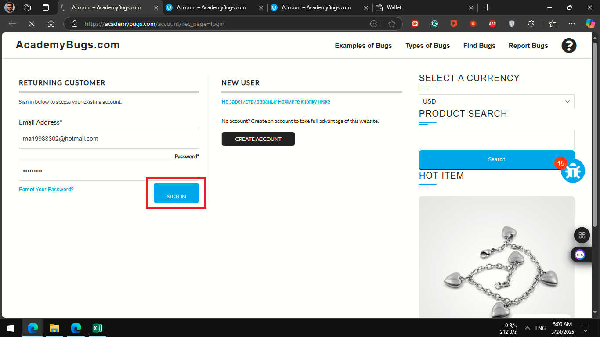 | Attachments | 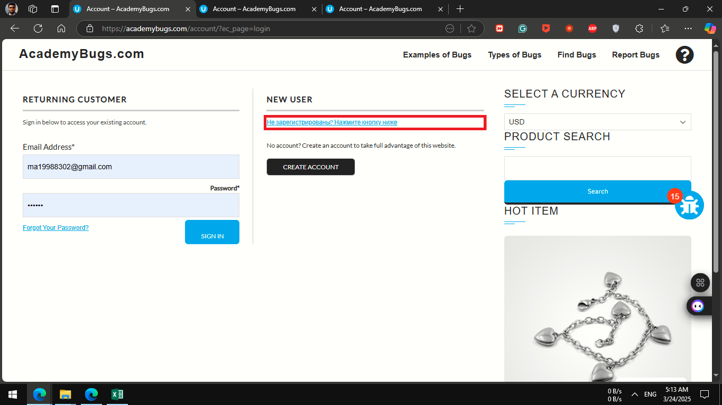 | Attachments | 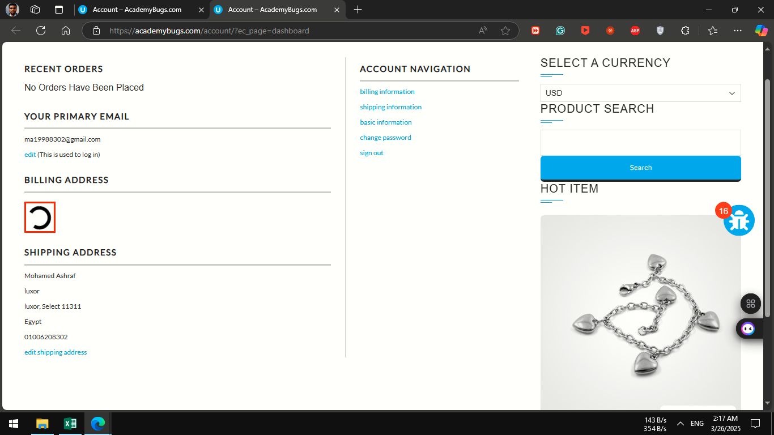
severity | low | severity | low | severity | medium
Priority | low | Priority | low | Priority | medium
Frequency | Every Time | Frequency | Every Time | Frequency | Every Time
Type | visual | Type | content | Type | performance

ID | B_004 | ID | B_005 | ID | B_006
Test Case ID | TC_025 | Test Case ID | TC_028 | Test Case ID | TC_040
Title | Trainee Can update Billing information with the form | Title | Billing information form fields should auto filled with the last updated information | Title | update button doesn't respond when all passwords was matched and trainee did not informed
Description | 1 - egypt 2 - Mohamed 3 - Ashraf 4 - 5 - luxor 6 - luxor 7 - 8 - 11311 9 - 01006208302 | Description | Billing information form was NOT filled with with the last updated information Because Billing information CANT Updated | Description | There No Way To Navigate To Cart Page
Steps | 1- Go To https://academybugs.com/account/?ec_page=login 2- Navigate To Returning Customer And Sign in with registerd account 3 - Go To Account Navigation 4 - click on Billing information 5 - navigate to Billing information form and fill the form 6 - click on update button | Steps | 1- Go To https://academybugs.com/account/?ec_page=login 2- Navigate To Returning Customer And Sign in with registerd account 3 - Go To Account Navigation 4 - click on Billing information 5 - navigate to Billing information form | Steps | 1- Go To https://academybugs.com/account/?ec_page=login 2- Navigate To Returning Customer And Sign in with registerd account 3 - Go To Account Navigation 4 - click on change password 5 - navigate to Edit Your Password form and fill the form but all passwords are matched 6 - click on update
Expected Results | The trainee can update the Billing information if required fields will be filled and will be informed | Expected Results | Billing information form will be filled with with the last updated information | Expected Results | The trainee can not Edit Password if all password is matched and informed to try new password
Actual Result | The trainee could NOT update the Billing information , and a loading icon shows without updating Billing information | Actual Result | Billing information form was NOT filled with with the last updated information Because Billing information CANT Updated | Actual Result | update button doesn't respond when all passwords was matched and trainee did not informed
Environment | Microsoft Edge V.97 | Environment | Microsoft Edge V.97 | Environment | Microsoft Edge V.97
Attachments | 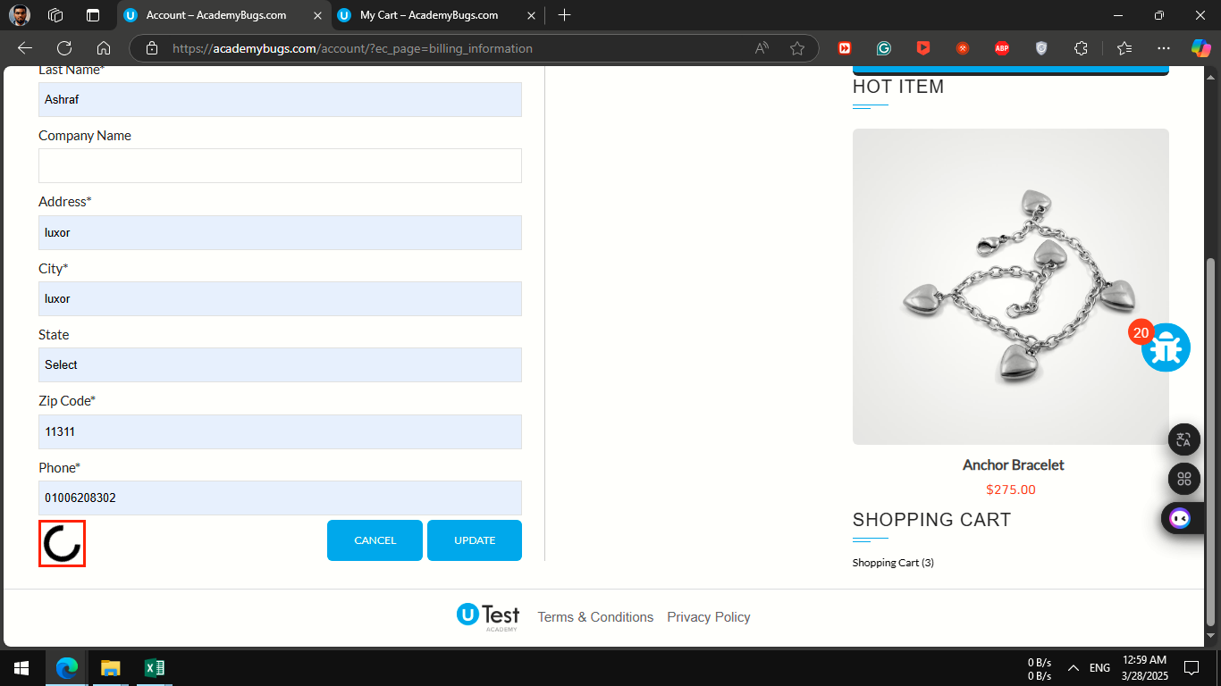 | Attachments | 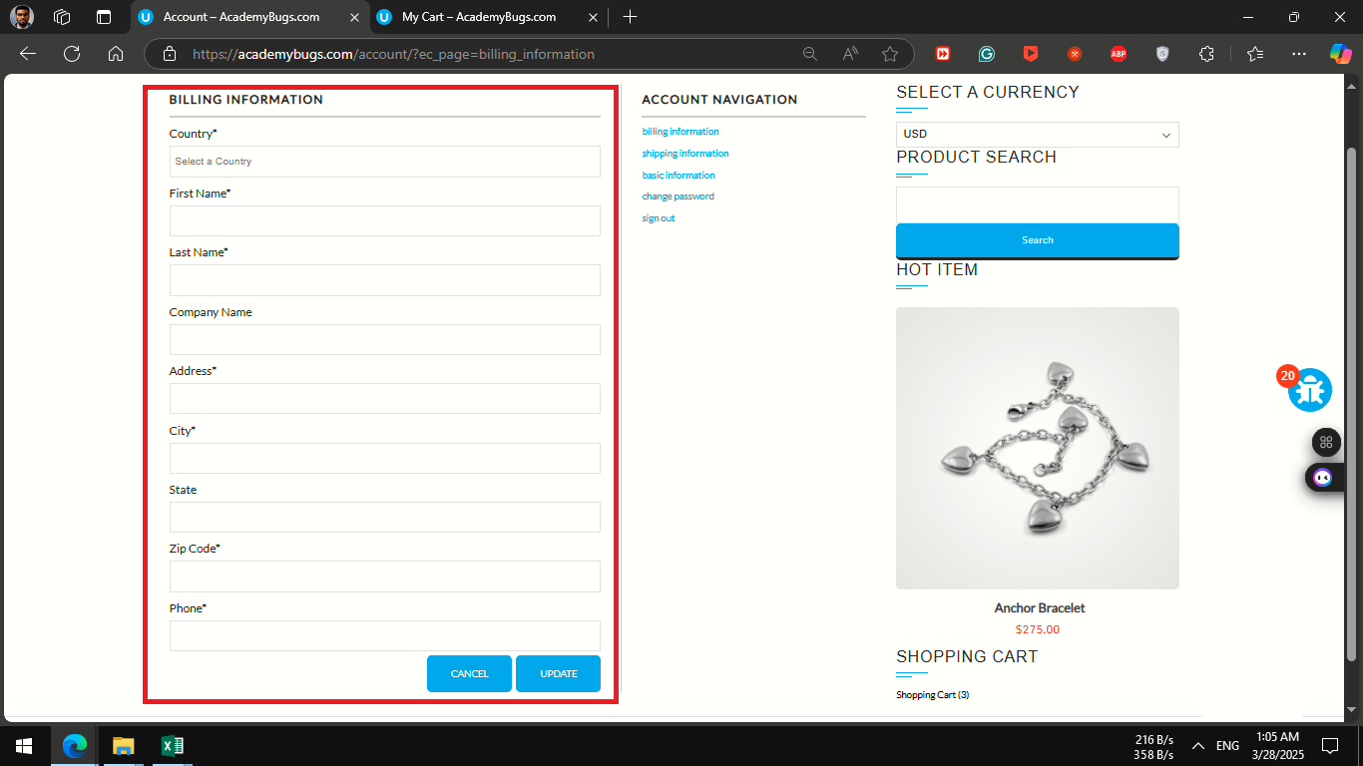 | Attachments | 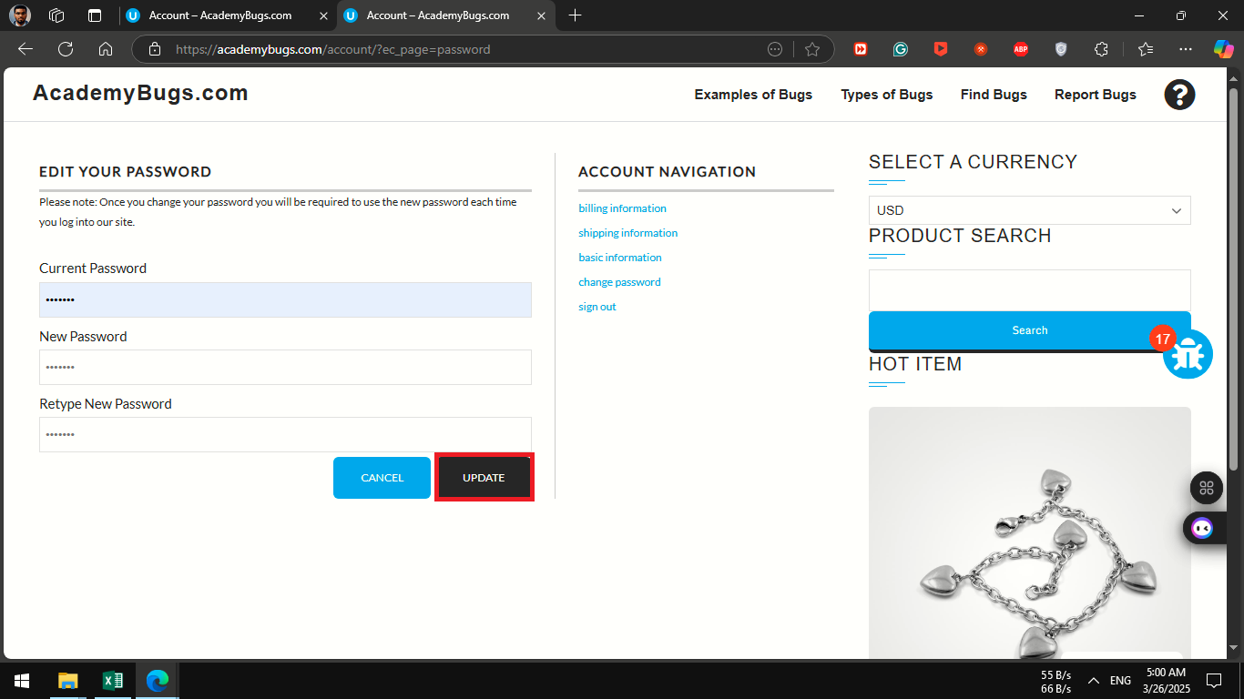
severity | critical | severity | low | severity | medium
Priority | critical | Priority | low | Priority | medium
Frequency | Every Time | Frequency | Every Time | Frequency | Every Time
Type | performance | Type | functional | Type | functional

ID | B_007 | ID | B_008 | ID | B_009
Test Case ID | TC_048 | Test Case ID | TC_002 | Test Case ID | TC_020
Title | Trainee Can Retrieve the account Password with registerd email | Title | Trainee should navigate to Sign in option | Title | Trainee should review The Primary Email And edit it
Description | ma19988302@gmail.com | Description | A bold black title' Returning Customer ' was visibled with the ' Sign in below to access your existing account ' message above email and password text boxes with linked 'Forgot Your Password? ' under it also sign in button under it BUT ' Passowrd* ' title is NOT Aligned As Email title | Description | Trainee Primary Email was displayed, and the edit link navigated to the 'basic information' page. BUT, the Primary Email position was NOT wrapped, and overlapped on the layout.
Steps | 1- Go To https://academybugs.com/account/?ec_page=forgot_password 2- Navigate To Retrieve Your Password 3- type a registerd email | Steps | 1- Go To https://academybugs.com/account/?ec_page=login 2- Navigate To Returning Customer | Steps | 1- Go To https://academybugs.com/account/?ec_page=login 2- Navigate To Returning Customer And Sign in with registerd account 3 - Go To Your Primary Email
Expected Results | The trainee will be informed whether the email is registered or NOT, and if the email was registered, an email will be sent to the retrieved account To Retrieve the password | Expected Results | A bold black title' Returning Customer ' Will be visible with the ' Sign in below to access your existing account ' message And email and password text boxes and linked 'Forgot Your Password? ' also sign in button under it | Expected Results | Trainee Primary Email Will be shown, and the trainee can edit it with the ' edit ' link under the viewed Primary Email
Actual Result | The Page Crashed Without Retrieving The Password | Actual Result | A bold black title' Returning Customer ' was visibled with the ' Sign in below to access your existing account ' message above email and password text boxes with linked 'Forgot Your Password? ' under it also sign in button under it BUT ' Passowrd* ' title is NOT Aligned As Email title | Actual Result | Trainee Primary Email was displayed, and the edit link navigated to the 'basic information' page. BUT, the Primary Email position was NOT wrapped, and overlapped on the layout.
Environment | Microsoft Edge V.97 | Environment | Microsoft Edge V.97 | Environment | Microsoft Edge V.97
Attachments | 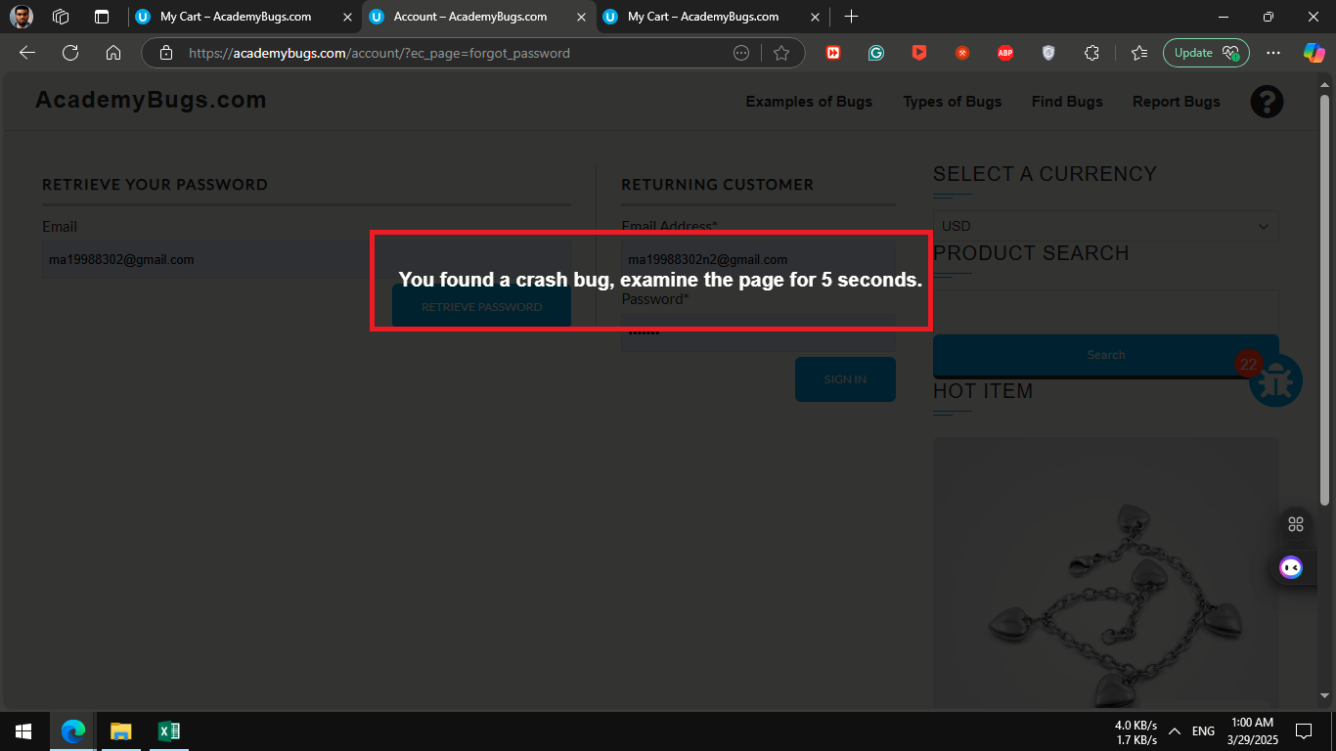 | Attachments | 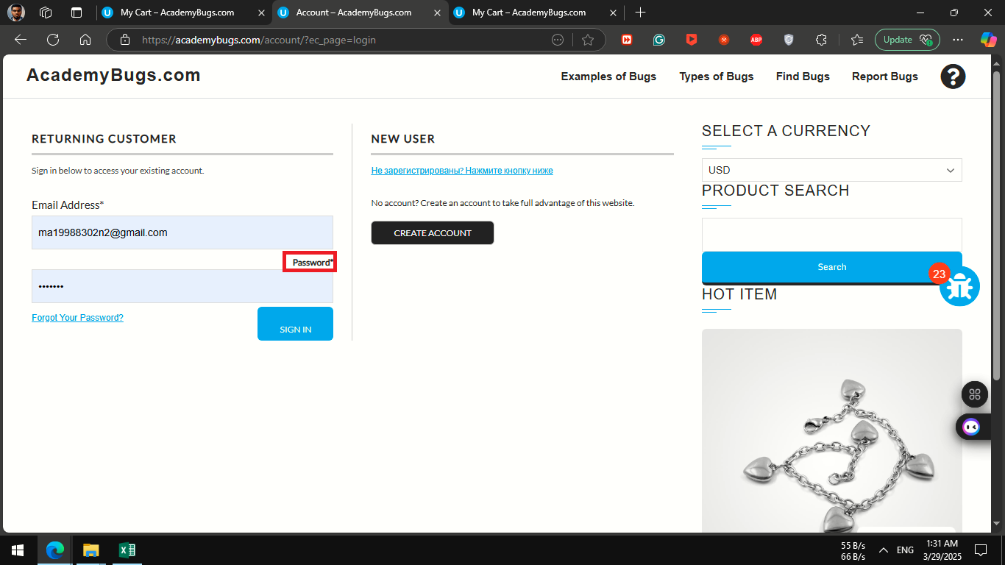 | Attachments | 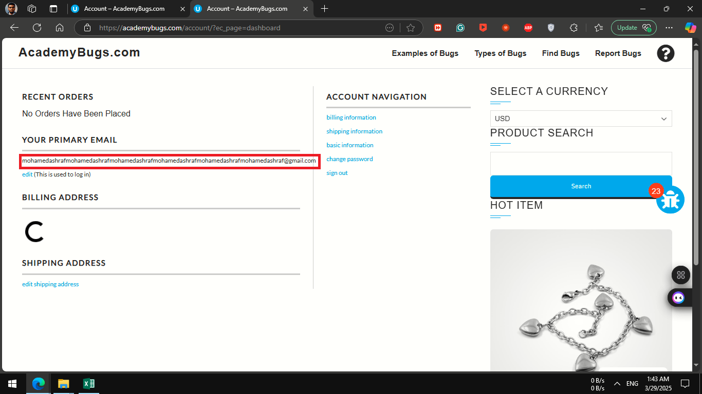
severity | critical | severity | low | severity | low
Priority | critical | Priority | low | Priority | low
Frequency | Every Time | Frequency | Every Time | Frequency | Every Time
Type | crash | Type | visual | Type | visual

ID | B_010
Test Case ID | TC_049
Title | Trainee Can review the orders that had been placed
Description | Trainee Order History is not shown, and a loading icon shows without show Billing Address
Steps | 1- Go To https://academybugs.com/find-bugs/ 2- open any product 3- navigate to Your Account 4- click on Your Order History
Expected Results | Trainee Order History Will be shown
Actual Result | Trainee Order History is not shown, and a loading icon shows without show Billing Address
Environment | Microsoft Edge V.97
Attachments | 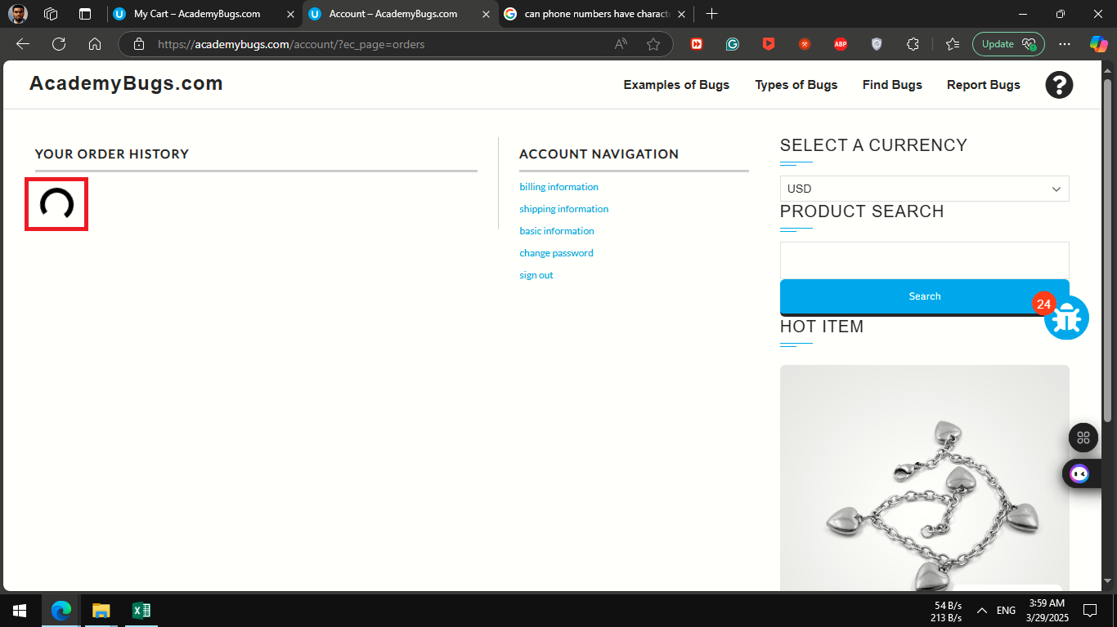
severity | high
Priority | high
Frequency | Every Time
Type | performance

